Classification sport
Concept | Definition | Auteurs | Liens
Aesthetic | Sports encourage thinness and leanness to maximize sport performance or meet aesthetic ideals Included sports in which the most important aspect was a subjective evaluation by judges of competitive performance | Sundgot-Borgen & Larsen (1993)
Antigravitation | Sports in which a high strength-to-mass ratio has typically been seen to enhance performance | Watts et al. (2003) ; Novoa-Vignau et al. (2017) | Article qui mentionne la ref : https://jeatdisord.biomedcentral.com/articles/10.1186/s40337-022-00619-5
Ball game | All ball sports | Sundgot-Borgen & Larsen (1993)
Endurance | Included sports in which the main training was aerobic endurance training | Sundgot-Borgen & Larsen (1993)
Power | All sports in which the main component of the training was strength training | Sundgot-Borgen & Larsen (1993)
Technical | Sports that place an emphasis on a certain skill with a piece of specialized equipment | Murphy (2005) | Article qui mentionne la ref : https://pmc.ncbi.nlm.nih.gov/articles/PMC7523350/
Weight class | All sports in which a specific weight was required to compete | Sundgot-Borgen & Larsen (1993)
Combined | Competition combining events of different kinds | Dictionnaire de l'académie Française
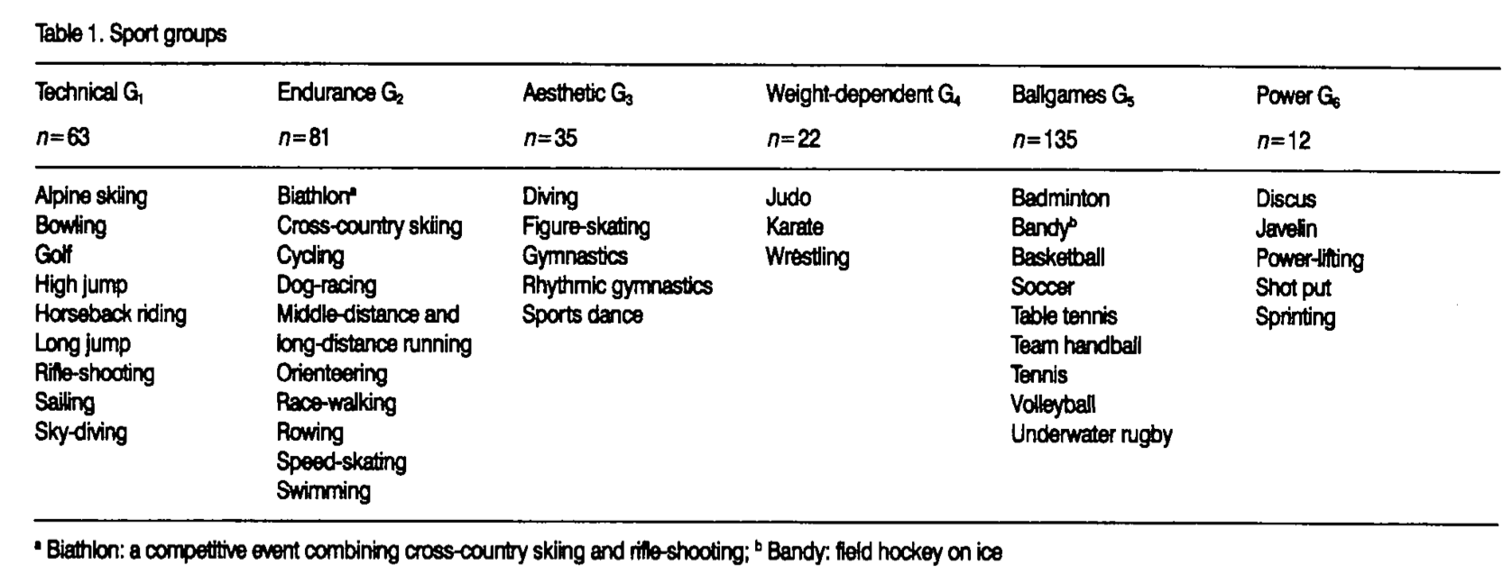

 |  | 35 sports divided into the following 6 groups

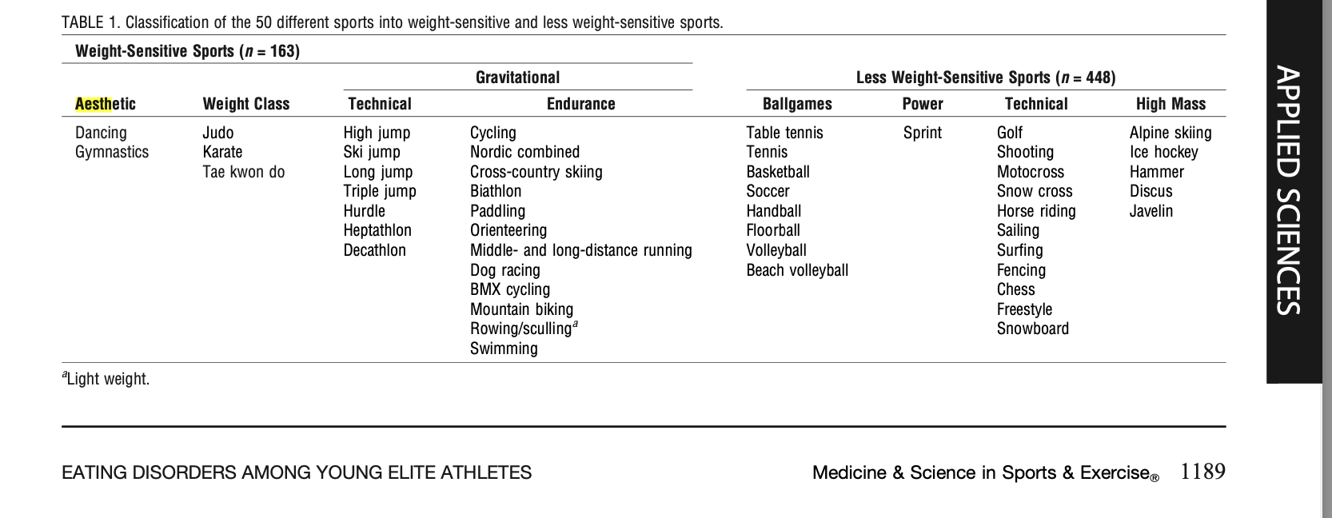

 |  | Martinsen et Sundgot-Borgen (2012)
 |  | Classification of 50 different sport

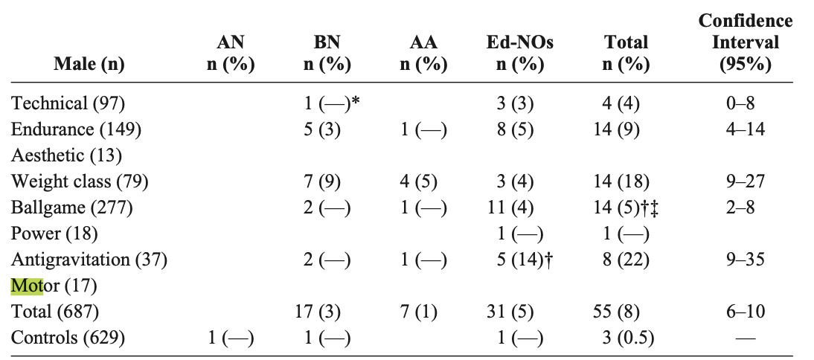

 |  | Sundgot-Borgen et Torstveit(2004)
 |  | 68 sports/events divided into the following 8 sport groups

